Dala Sales & Deliveries
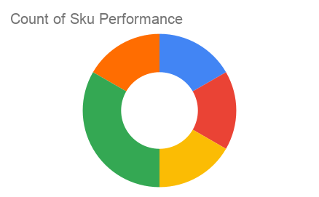
Total Invoices Delivered | 32.00 | Sku Performance | Units | Value
Unique Locations Supplied | 29.00 | 500g Grandios Brown Pap (20x) | 16.25 | 520,000.00
Total Value of orders | 1,643,800.00 | 500g Grandios White Pap (20x) | 16.50 | 528,000.00
 |  | 500g Grandios Yellow Pap (20x) | 18.00 | 576,000.00
 |  | 50g Grandios Brown Pap (120x) | 0.00 | 0.00
 |  | 50g Grandios Yellow Pap (120x) | 1.00 | 19,800.00
 |  | 50g Grandios Brown Pap (120x) | 0.00 | 0.00
 |  |  | 0.00 | 0.00
 |  |  | 0.00 | 0.00
 |  |  | 0.00 | 0.00
 |  |  | 0.00 | 0.00
 |  |  | 0.00 | 0.00
 |  |  | 0.00 | 0.00

